Sheet1
Image | Code | Description | Rating | Lamp | Carton | Units per Pallet | TotaLStock | Unit RRP | Total RRP

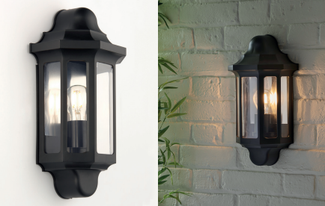 | SFX01‐148PG | Half Wall Lantern Black | IP44 | E27 (required) | 6 | 115 | 6,149 | £20.00 | £122,980.00
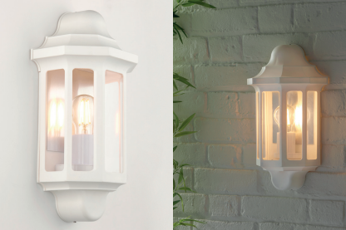 | SFX01‐495PG | Half Wall Lantern White | IP44 | E27 (required) | 6 | 115 | 1,789 | £20.00 | £35,780.00
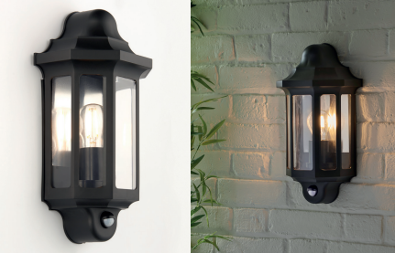 | SFX01‐172G | Half Wall Lantern with PIR Black | IP44 | E27 (required) | 6 | 115 | 12,024 | £30.00 | £360,720.00
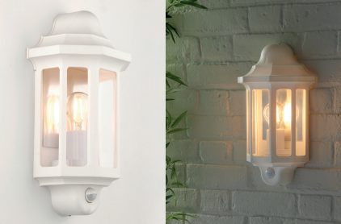 | SFX01‐430PG | Half Wall Lantern with PIR White | IP44 | E27 (required) | 6 | 115 | 5,656 | £30.00 | £169,680.00

 |  |  |  |  |  | Total units of all product types | 25,618 | Total RRP of all product types | £689,160.00

